IDM Library
Base Material Compostion | Contaminaiton/Filler | Analysis Method | Analysis Area | IDM Name | WD Part No. | Brand/Manufacturer | Using Area | SF-Process using | HGA-Process Using | HSA-Process Using | Spectrum | Link to Lab Results | Request No. | Remark
Fe-Si-O |  | SEM/EDX |  | Printer Ink |  | Fuji-Xerox | SF and HGA | Common | Common |  | 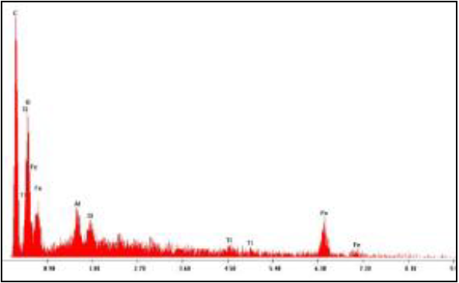
Fe-Si-O |  | FT-IR |  | Printer Ink |  | Fuji-Xerox | SF and HGA | Common | Common
Fe-Si-O |  | RAMAN |  | Printer Ink |  | Fuji-Xerox | SF and HGA | Common | Common |  | 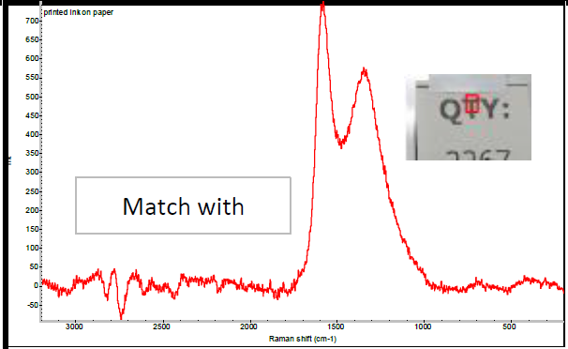
C-O-W | Mg-Si-Sn-Ge-Cl-N | SEM/EDX | Surface | Wedge shape capillary 37um (New) | N/A | MPP |  |  |  |  |  |  | eAS202101-16
C-O-W | Mg-Si-Sn-Ge-Cl-N | SEM/EDX | Surface | Wedge shape capillary 37um (Used-1M shots) | N/A | K-NET |  |  |  |  |  |  | eAS202102-94
C-Au |  | SEM/EDX | Surface | Gold wire 0.7 mil |  | Tanake |  |  |  |  |  |  | eAS202101-185
C-W |  | SEM/EDX | Surface | Nozzle for HS-SBJ machine (Paris C): 4DWSD-C120-035-X0M Cust (MPP) | 4DWSD-C120-035-X0M Cust (MPP) | Micro Point Pro Ltd. | HGA | No | SBJ |  |  |  | eAS202102-35
C-O-Ni-Al-Cu |  | SEM/EDX | Surface | Probe card-Needle |  | Advance Micro Technology | SF | BQST |  |  |  |  | eIDM-THO-202012-18
C-Na-Mg-Si-O-Cl-Pt-Ca,C-Mg-Si-O-Pt-Ca |  | SEM/EDX | X-Section | Probe card-Bonding adhesive_White color |  | Advance Micro Technology | SF | BQST |  |  |  |  | eIDM-THO-202012-18
C-Mg-Si-O-Pt-Ca |  | SEM/EDX | Surface | Probe card-Bonding adhesive_White color |  | Advance Micro Technology | SF | BQST |  |  |  |  | eIDM-THO-202012-18
C-Sn |  | SEM/EDX | Surface | Senju Solder ball surface observation (G1. SENJU Solder ball M726 Tin 99.9%, 5-1) |  | Senju | HGA |  | SJB |  |  |  | 19-0043A
C-Sn |  | SEM/EDX | Surface | Senju Solder ball surface observation (G2. SENJU Solder ball M726 Tin 99.99%, 5-1) |  | Senju | HGA |  | SJB |  |  |  | 19-0043A
C-Sn |  | SEM/EDX | Surface | Senju Solder ball surface observation (G3. SENJU Solder ball M726 Tin 99.9%, 1-1) |  | Senju | HGA |  | SJB |  |  |  | 19-0043A
C-Sn |  | SEM/EDX | Surface | Senju Solder ball surface observation (G4. SENJU Solder ball M726 Tin 99.99%, 1-1) |  | Senju | HGA |  | SJB |  |  |  | 19-0043A
C-O | Filler C | SEM/EDX | X-Section | Bumper material (G1. Bumper Scene 90°) |  |  | SF and HGA | Cart/Shelf/Machine Bumper | Cart/Shelf/Machine Bumper |  |  |  | 19-0052A
C-O | Filler C | SEM/EDX | X-Section | Bumper material (G2. Bumper W22 X H9 X LG 150 mm.) |  |  | SF and HGA | Cart/Shelf/Machine Bumper | Cart/Shelf/Machine Bumper |  |  |  | 19-0052A
C-O | Filler C | SEM/EDX | X-Section | Bumper material (G3. Bumper W22 X H9 X LG 300 mm.) |  |  | SF and HGA | Cart/Shelf/Machine Bumper | Cart/Shelf/Machine Bumper |  |  |  | 19-0052A
C-O | Filler C | SEM/EDX | X-Section | Bumper material (G4. Bumper Circular 1" ID) |  |  | SF and HGA | Cart/Shelf/Machine Bumper | Cart/Shelf/Machine Bumper |  |  |  | 19-0052A
C-O | Filler C | SEM/EDX | X-Section | Bumper material (G5. Bumper Circular 1.2" ID) |  |  | SF and HGA | Cart/Shelf/Machine Bumper | Cart/Shelf/Machine Bumper |  |  |  | 19-0052A
C-O | C-O-Si | SEM/EDX | Surface | HAS Adhesive palmer HAS (Si-O-C issue) (G#1 ECCOBOND) |  | ECCOBOND | HAS |  |  |  |  |  | 19-0053A | Si-C-O issue
C-O | C-O-Si | SEM/EDX | Surface | HAS Adhesive palmer HAS (Si-O-C issue) (G#2 NCA9300UV) |  | Locktile | HAS |  |  |  |  |  | 19-0053A | Si-C-O issue
C-O-Si | C-O-Si | SEM/EDX | Surface | HAS Adhesive palmer HAS (Si-O-C issue) (G#3 Threebond) |  | Threebond | HAS |  |  |  |  |  | 19-0053A | Si-C-O issue
C-O-Si-S |  | SEM/EDX | Surface | HGA Adhesive palmer HAS (Si-O-C issue) (G#1 UV123TKHGA) |  | 3hree UV1 | HGA |  | ACAM |  |  |  | 19-0054A | Si-C-O issue
C-O-Si |  | SEM/EDX | Surface | HGA Adhesive palmer HAS (Si-O-C issue) (G#2 EMS 535-10M-1) |  | EMS | HGA |  | ACAM |  |  |  | 19-0054A | Si-C-O issue
C-O-Si-Ag |  | SEM/EDX | Surface | HGA Adhesive palmer HAS (Si-O-C issue) (G#3 Threebond TB3037) |  | Threebond | HGA |  | ACAM |  |  |  | 19-0054A | Si-C-O issue
C-O |  | SEM/EDX | Surface | HGA Adhesive palmer HAS (Si-O-C issue) (G#4 U-1499F) |  | Chemitec | HGA |  | ACAM |  |  |  | 19-0054A | Si-C-O issue
C-O-F-Mg-Si-S-Ca-Ti | Si-O | SEM/EDX | Surface | 3M Fluorocarbon O-Ring | 7205752 | 3M |  |  |  |  |  |  | 19-0086A
C-O |  | SEM/EDX | Surface | Conveyor Roller |  | Innovative Polymer Singapore (Original Supplier) |  |  |  |  |  |  | 19-0152A
C-O-Si |  | SEM/EDX | X-Section | Bobbin |  | Synos (Japan) |  |  |  |  |  |  | 19-0160A
C-O-Cl |  | SEM/EDX | X-Section | Protective Rubber |  | Synos (Japan) |  |  |  |  |  |  | 19-0160A
C-O-Cl-Ca |  | SEM/EDX | X-Section | Al profile Slot Cover |  | Autoflexible Advanced Engineering Co., Ltd. | SF and HGA |  |  |  |  |  | 19-0167A
C-F |  | SEM/EDX | Surface | Tape, ESD Teflon SF 02 CC (0.055mm x 12mm x 120M) |  | Polyflour/ ITO |  |  |  |  |  |  | 19-0190A
C-O-F |  | SEM/EDX | X-Section | Tape, ESD Teflon SF 02 CC (0.055mm x 12mm x 120M) |  | Polyflour/ ITO |  |  |  |  |  |  | 19-0190A
C-O-Ni-Au |  | SEM/EDX | Surface | PCB WELG Lapping (Normal pad area only) | 93296-01 | Almancx | SF | Lapping |  |  |  |  | 19-0191A
C-W |  | SEM/EDX | Surface | Capillary 57 micron | 4DWSD-0170-057-G00 | Micro Point Pro Ltd. | HGA |  | SJB |  |  |  | 19-0212A
C-O |  | SEM/EDX | X-Section | Pallet 8"Tranfer Tray (4 groups) G1.Pallet 8 inch Tranfer Tray - (Part 1) N2 Soak 6 min for SEM test |  | Texchem |  |  |  |  |  |  | 19-0241A
C-O |  | SEM/EDX | X-Section | Pallet 8"Tranfer Tray (4 groups) G2.Pallet 8 inch Tranfer Tray - (Part 2) N2 Soak 6 min for SEM test |  | Texchem |  |  |  |  |  |  | 19-0241A
C-O |  | SEM/EDX | X-Section | Pallet 8"Tranfer Tray (4 groups) G3.Pallet 8 inch Tranfer Tray - (Part 3) N2 Soak 6 min for SEM test |  | Texchem |  |  |  |  |  |  | 19-0241A
C-O |  | SEM/EDX | X-Section | Pallet 8"Tranfer Tray (4 groups) G4.Pallet 8 inch Tranfer Tray - (Part 4) N2 Soak 6 min for SEM test |  | Texchem |  |  |  |  |  |  | 19-0241A
C-O |  | SEM/EDX | Surface | Epoxy Needle 7029718 |  | Nordson |  |  |  |  |  |  | 19-0297A
C-O |  | SEM/EDX | X-Section | Epoxy Needle 7029718 |  | Nordson |  |  |  |  |  |  | 19-0297A
C-O |  | SEM/EDX | X-Section | Specialty Head AQ Tray from TEXCHEM - PACK (Thailand) |  | TEXCHEM - PACK (Thailand) Co.,Ltd. | HGA |  | Specialty Head |  |  |  | eAS201810-119
C-O-Ca |  | SEM/EDX | X-Section | PU sleeve UR-BL-02 for Drive Conveyor rollers from CREATIVE (G1. Conveyor Roller UR-BL-02) |  | CREATIVE |  |  |  |  |  |  | eAS201810-97
C-O-Cl |  | SEM/EDX | X-Section | PU sleeve UR-BL-02 for Drive Conveyor rollers from CREATIVE (G2. Conveyor Roller ) |  | JKS |  |  |  |  |  |  | eAS201810-97
C-O | Al-Si | SEM/EDX | X-Section | Misumi-Antistatic Translucent Duct Hose Model HOSCER |  | Misumi |  |  |  |  |  |  | eAS201811-177
C |  | SEM/EDX | Surface | Sound proof material (BSYA) |  | Misumi |  |  |  |  |  |  | eAS201811-249
C-O-Al-S-Ti |  | SEM/EDX | X-Section | Sound proof material (BSYA) |  | Misumi |  |  |  |  |  |  | eAS201811-249
C-O-Ni-Si-Fe-Ti, C |  | SEM/EDX | Surface | Blade (G1. Blead 80 um) |  | READ Co., Ltd. Niigata Plant
C-Ni, C-Ni-Ti |  | SEM/EDX | X-Section | Blade (G1. Blead 80 um) |  | READ Co., Ltd. Niigata Plant
C-O-Cu-Sn, C |  | SEM/EDX | Surface | Blade (G2. Blead 816 um) |  | READ Co., Ltd. Niigata Plant
C-O-Cu-Sn, C |  | SEM/EDX | X-Section | Blade (G2. Blead 816 um) |  | READ Co., Ltd. Niigata Plant
C-O-Cl | C-O-F-Cl-Fe | SEM/EDX | Surface | 3 types of CREATIVE PU sleeve for Drive Conveyor rollers (G1.Evaluation Type1 CPE0002-6378 IP) |  | CREATIVE
C-O-Cl |  | SEM/EDX | X-Section | 3 types of CREATIVE PU sleeve for Drive Conveyor rollers (G1.Evaluation Type1 CPE0002-6378 IP) |  | CREATIVE
C-O-Si-S | C-O-Ca-Si-Na-S | SEM/EDX | Surface | 3 types of CREATIVE PU sleeve for Drive Conveyor rollers (G2.Evaluation Type2 CPE0002-6383 SYI) |  | CREATIVE
C-O-S |  | SEM/EDX | X-section | 3 types of CREATIVE PU sleeve for Drive Conveyor rollers (G2.Evaluation Type2 CPE0002-6383 SYI) |  | CREATIVE
C-O | C-O-Al-Si | SEM/EDX | Surface | 3 types of CREATIVE PU sleeve for Drive Conveyor rollers (G3.Evaluation Type3 CPE0002-6380 SYST) |  | CREATIVE
C-O |  | SEM/EDX | X-section | 3 types of CREATIVE PU sleeve for Drive Conveyor rollers (G3.Evaluation Type3 CPE0002-6380 SYST) |  | CREATIVE

